SOCKS
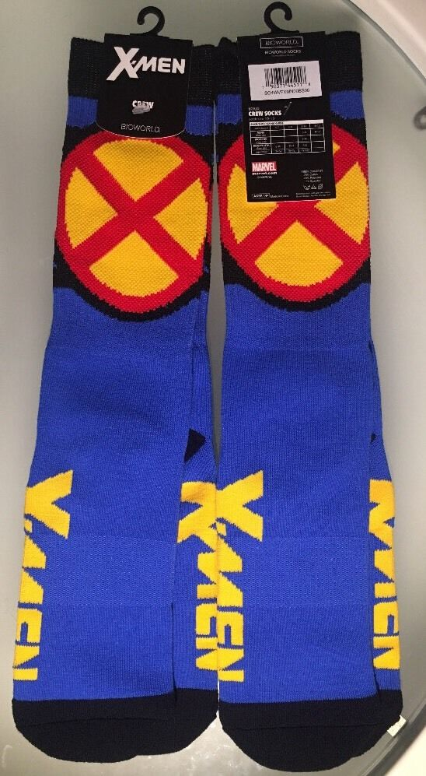
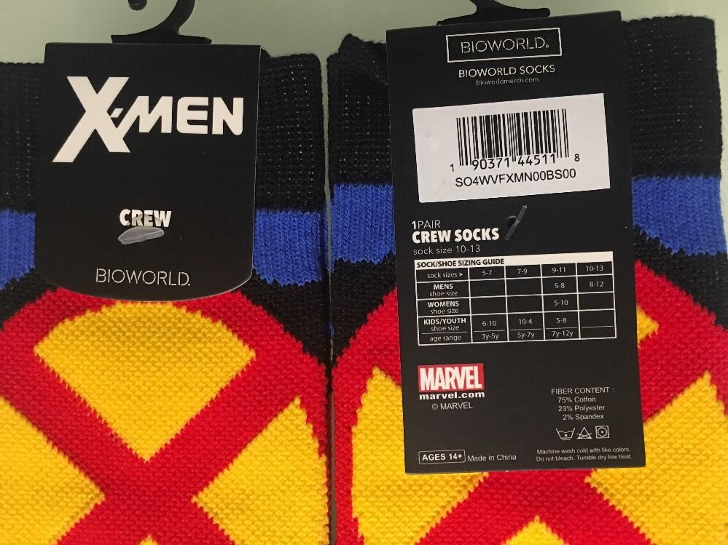
UPC | Description | Manufacturer | Quantity
190371443299 | BATMAN ATHLETIC SOCK | BIOWORLD | 300
190371044823 | SUPERMAN ATHLETIC SOCK | BIOWORLD | 422
190371443312 | BATMAN SOCKS - BLUE OUTFIT | BIOWORLD | 757
190371217326 | CREW SOCK JOKER KILLING | BIOWORLD | 878
190371557101 | BLUE MARIO GAMEPLAY SOCKS | BIOWORLD | 1,090
190371217340 | CREW SOCK JOKER & HARLEY QUINN | BIOWORLD | 1,234
190371217333 | CREW SOCK JOKER BLACK | BIOWORLD | 1,619
190371342004 | WINGED SOCK SONIC THE HEDGEHOG | BIOWORLD | 1,793
190371566950 | MARIO PLANTS SOCKS | BIOWORLD | 2,068
190371308031 | CREW SOCK DEADPOOL SO3Y3NMVU | BIOWORLD | 2,079
190371217319 | CREW SOCK JOKER ARGYLE | BIOWORLD | 2,457
190371445118 | MARVEL XMEN SOCKS - BLUE | BIOWORLD | 2,698
190371740381 | NINTENDO SOCKS GRAY | BIOWORLD | 3,270
190371307393 | CREW SOCK CAPT AMERICA | BIOWORLD | 3,941

 |  |  | 24,606

